Inputs
Items highlighted in green can be adjusted as needed.
Year of Estimate: | 2026 | 160.811%
 | From | 2008 | 2009 | 2010 | 2011 | 2012 | 2013 | 2014 | 2015 | 2016 | 2017 | 2018 | 2019 | 2020 | 2021 | 2022 | 2023 | 2024 | 2025 | 2026 | 2027 | 2028 | 2029 | 2030 | 2031 | 2032 | 2033 | 2034 | 2035
Escalation | To | 2026 | 2026 | 2026 | 2026 | 2026 | 2026 | 2026 | 2026 | 2026 | 2026 | 2026 | 2026 | 2026 | 2026 | 2026 | 2026 | 2026 | 2026 | 2026 | 2026 | 2026 | 2026 | 2026 | 2026 | 2026 | 2026 | 2026 | 2026
 |  | 60.81% | 58.01% | 53.53% | 48.63% | 46.06% | 42.56% | 39.10% | 37.03% | 35.30% | 32.71% | 30.22% | 28.16% | 27.08% | 23.55% | 15.91% | 9.76% | 6.40% | 3.00% | na | na | na | na | na | na | na | na | na | na
2008 | 100.00% | 100.000% | 60.81%
2009 | 1.77% | 101.770% | 58.01%
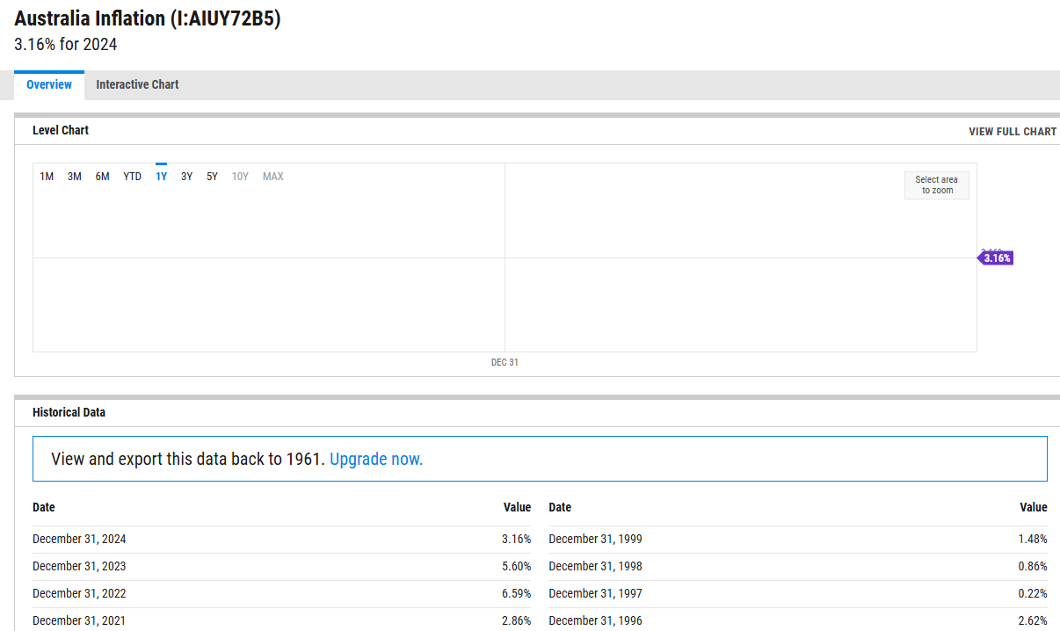
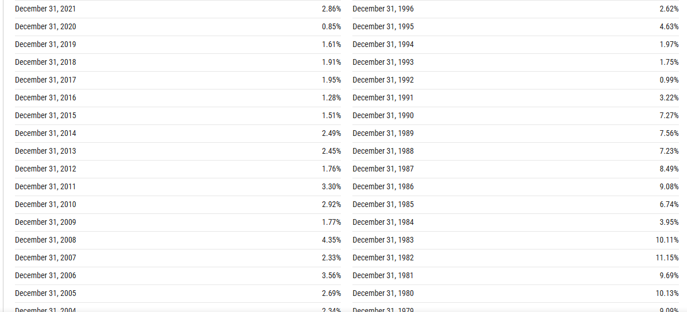
2010 | 2.92% | 104.742% | 53.53%
2011 | 3.30% | 108.198% | 48.63%
2012 | 1.76% | 110.102% | 46.06%
2013 | 2.45% | 112.800% | 42.56%
2014 | 2.49% | 115.609% | 39.10%
2015 | 1.51% | 117.354% | 37.03%
2016 | 1.28% | 118.857% | 35.30%
2017 | 1.95% | 121.174% | 32.71%
2018 | 1.91% | 123.489% | 30.22%
2019 | 1.61% | 125.477% | 28.16%
2020 | 0.85% | 126.543% | 27.08%
2021 | 2.86% | 130.162% | 23.55%
2022 | 6.59% | 138.740% | 15.91%
2023 | 5.60% | 146.510% | 9.76%
2024 | 3.16% | 151.139% | 6.40%
2025 | 3.30% | 156.127% | 3.00%
2026 | 3.00% | 160.811% | 0.00%
2027 | 2.68% | 165.127% | -2.61%
2028 | 2.68% | 169.559% | -5.16%
2029 | 2.68% | 174.109% | -7.64%
2030 | 2.68% | 178.782% | -10.05%
2031 | 2.68% | 183.581% | -12.40%
2032 | 2.68% | 188.508% | -14.69%
2033 | 2.68% | 193.567% | -16.92%
2034 | 2.68% | 198.762% | -19.09%
2035 | 2.68% | 204.097% | -21.21%
2036 | 2.68% | 209.574% | -23.27%

Waste Density | 100 | lbs/cuft
Exchange rate | 2025-10-16 12:11:01 | 1.54

 | Rates |  | Actuals | Actuals | +4.8% (3.4% EBA +1.4% Band Level) | +4.8% (3.4% EBA +1.4% Band Level)
ANSTO LABOR RATES |  |  | Jul-Apr26 | May-Jun26. +3.4%
 | CLASS | Band | FY26 |  | FY27 (Forecast) | FY28
 |  |  |  |  |  | (Forecast)
Resource Type | (SAP Name) | (EA name) | $/hour | $/hour | $/hour | $/hour
 | CLASS1 | Band 1 | 45.99 | 47.55 | 48.2 | 50.51
 | CLASS2 | Band 2 | 52.44 | 54.22 | 54.96 | 57.6
 | CLASS3 | Band 3 | 63.63 | 65.79 | 66.68 | 69.88
 | CLASS4 | Band 4 | 74.65 | 77.19 | 78.23 | 81.99
Decom Technician / Safety SME | CLASS5 | Band 5 | 86.32 | 89.25 | 90.46 | 94.8
Project Manager / Waste Management | CLASS6 | Band 6 | 104.63 | 108.19 | 109.65 | 114.91
Senior Project Manager / Characterization SME | CLASS7 | Band 7 | 123.09 | 127.28 | 129 | 135.19
Portfolio Manager | CLASS8 | Band 8 | 152.68 | 157.87 | 160.01 | 167.69
 | CLASS9 | Band 9 | 186.99 | 193.35 | 193.35 | 199.92
 | CLAS10 | Band 10 | 240.73 | 248.91 | 248.91 | 257.37

Waste Disposal rates

 | $300.00 | Industrial Wastes
 | $500.00 | Hazardous Waste
 | $90.00 | /hr | Contaminated Waste Cleaning

 | $0.00 | Low Level Solid Waste (Stored)
 | $0.00 | Intermediate Level Solid waste
 |  |  | US | dollars
 |  | B1 | Rate Year | 2009 | 58.014% | C1 |  |  | D1 |  |  | D2
Equipment |  | Quantity | Rate | Equipment |  | Quantity | Equipment |  | Quantity | Equipment |  | Quantity
HEPA filter systems |  | 2 | $3,598.14 | HEPA filter systems |  | 2 | HEPA filter systems |  | 2 | HEPA filter systems |  | 0
Replacement filters |  | 24 | $581.07 | Replacement filters |  | 24 | Replacement filters |  | 24 | Replacement filters |  | 0
Respirator |  | 12 | $259.00 | Respirator |  | 12 | Respirator |  | 12 | Respirator |  | 0
Rad/Vac wet-dry high eff. vacuum |  | 1 | $3,879.00 | Rad/Vac wet-dry high eff. vacuum |  | 2 | Rad/Vac wet-dry high eff. vacuum |  | 1 | Rad/Vac wet-dry high eff. vacuum |  | 0
Rad/Vac wet-dry high eff. vacuum filters |  | 5 | $412.00 | Rad/Vac wet-dry high eff. vacuum filters |  | 5 | Rad/Vac wet-dry high eff. vacuum filters |  | 5 | Rad/Vac wet-dry high eff. vacuum filters |  | 0
Reciprocating Saws |  | 5 | $1,252.26 | Reciprocating Saws |  | 5 | Reciprocating Saws |  | 5 | Reciprocating Saws |  | 0
Pneumatic chipping hammers |  | 2 | $1,606.71 | Pneumatic chipping hammers |  | 2 | Pneumatic chipping hammers |  | 2 | Pneumatic chipping hammers |  | 2
Chipping hammer blades |  | 20 | $27.42 | Chipping hammer blades |  | 20 | Chipping hammer blades |  | 20 | Chipping hammer blades |  | 20
Purchase an air compressor: |  | 2 | $1,723.44 | Purchase an air compressor: |  | 2 | Purchase an air compressor: |  | 2 | Purchase an air compressor: |  | 2
Jackhammer |  | 4 | $1,417.11 | Jackhammer |  | 4 | Jackhammer |  | 4 | Jackhammer |  | 4
Jackhammer Chisels |  | 10 | $24.35 | Jackhammer Chisels |  | 10 | Jackhammer Chisels |  | 10 | Jackhammer Chisels |  | 10
Safety glasses |  | 15 | $8.60 | Safety glasses |  | 15 | Safety glasses |  | 15 | Safety glasses |  | 15
Fall protection - harness |  | 6 | $208.00 | Fall protection - harness |  | 6 | Fall protection - harness |  | 6 | Fall protection - harness |  | 0
Fall protection - lanyard |  | 6 | $367.00 | Fall protection - lanyard |  | 6 | Fall protection - lanyard |  | 6 | Fall protection - lanyard |  | 0
Hardhats |  | 15 | $35.50 | Hardhats |  | 15 | Hardhats |  | 15 | Hardhats |  | 15
Hard hat hearing protection |  | 15 | $37.60 | Hard hat hearing protection |  | 15 | Hard hat hearing protection |  | 15 | Hard hat hearing protection |  | 15
Trailer rental |  | 1 | $416.00 | Trailer rental |  | 1 | Trailer rental |  | 1 | Trailer rental |  | 1
Phone and computer hook-up |  | 1 | $250.00 | Phone and computer hook-up |  | 1 | Phone and computer hook-up |  | 1 | Phone and computer hook-up |  | 1
Instrumentation |  | 0 |  | Instrumentation |  | 0 | Instrumentation |  | 0 | Instrumentation |  | 0
Tractor loader, wheeled |  | 1 | $7,160.59 | Tractor loader, wheeled |  | 1 | Tractor loader, wheeled |  | 1 | Tractor loader, wheeled |  | 1
Wheeled Skid steer with conc. Hammer |  | 1 | $4,421.37 | Wheeled Skid steer with conc. Hammer |  | 1 | Wheeled Skid steer with conc. Hammer |  | 1 | Wheeled Skid steer with conc. Hammer |  | 1
Excavator |  | 1 | $28,738.39 | Excavator |  | 1 | Excavator |  | 1 | Excavator |  | 1
Floor Shaver |  | 1 | $8,000.00 | Floor Shaver |  | 1 | Floor Shaver |  | 1 | Floor Shaver |  | 0
Wall Shaver |  | 1 | $15,000.00 | Wall Shaver |  | 1 | Wall Shaver |  | 1 | Wall Shaver |  | 0
Man lift |  | 2 | $4,727.44 | Man lift |  | 2 | Man lift |  | 2 | Man lift |  | 0
Crane rental for building removal |  | 1 | $15,600.00 | Crane rental for building removal |  | 1 | Crane rental for building removal |  | 1 | Crane rental for building removal |  | 0

 |  | B1 | C1 | D1 | D2 |  | US | dollars
Consumables |  | Quantity | Quantity | Quantity | Quantity |  | Unit Cost
Coveralls |  | 2 | 2 | 2 | 0 | /man/day | $11.00
Hoods |  | 0.1 | 0.1 | 0.1 | 0 | /man/day | $0.00
Shoe covers |  | 4 | 4 | 4 | 0 | /man/day | $0.94
Latex gloves |  | 4 | 4 | 4 | 0 | /man/day | $0.94
Rubber overshoes |  | 0.01 | 0.01 | 0.01 | 0 | /man/day | $3.00
Gloves |  | 0.01 | 0.01 | 0.01 | 0 | /man/day | $2.00
Dosimeters |  | 1 | 1 | 1 | 0 | /man/year | $200.00
TLDs |  | 1 | 1 | 1 | 0 | /man/mo | $3.00
Bioassays |  | 2 | 2 | 2 | 0 | /man/year | $250.00
(Bioassays for aver. crew & management)

Small Tools - 2% of total labor costs = |  |  |  |  | 2.00%

HP Equipment Replacement - 5% of total labor |  |  |  |  | 5.00%

DGC OH &P on equipment and materials |  |  |  |  | 8.00%

1 cubic foot = | 0.02832 | cubic meter | 1 square foot = | 0.0929 | square meter | 1 foot = | 0.3048 | meters
1cubic foot/square foot = |  | 0.3048439182 | cubic meter/square meter |  |  |  |  |  |  | B17
1cubic foot/foot = | 0.09291338583 | cubic meter/meter
Building Information for B17, B18, 54, 56 & 70

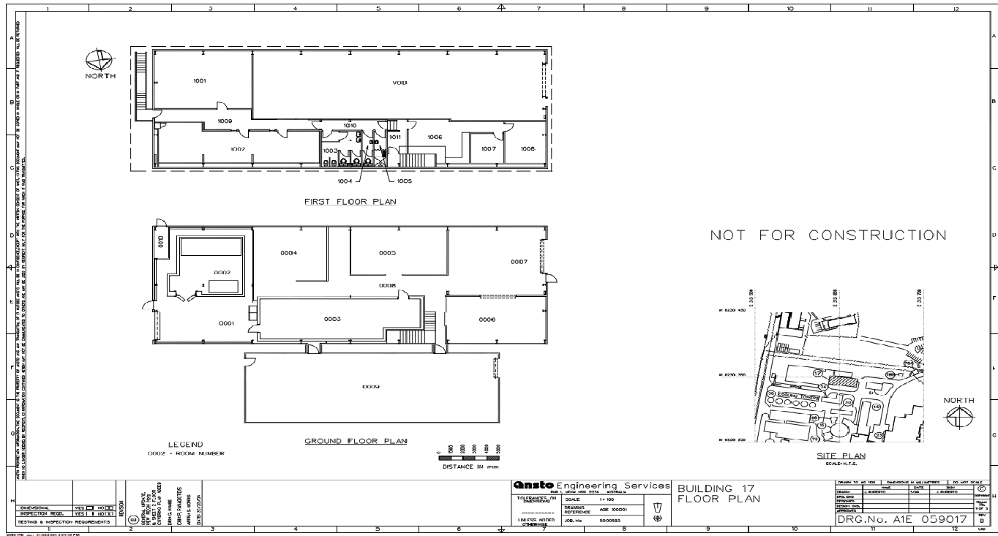
Building B17 | 17A | D1 | Non-Indust/Rad | 17B = | C1 | Industrial/Rad
Number of floors | 2 |  |  |  | 17A | 17B

Floor Area | 100 | sqft |  |  | 704 | 158.00

Project Duration | 180 | days |  |  |  | 158.00
Decontamination Duration | 90 | days |  |  | 704.00 |  | 704.00 | 7,577.80 | sqft
Contaminated removal adjustment |  | -50.00% | Judgement due to complexity of the facility
Length of asbestos insulated pipe |  | 0 | ft. (estimated) | 0
One crew is based 12 laborers, if reasonable, leave at 1 |  | 1 | for all removal |  | 12 | LABORERS

Building B18 | D2 | Non-Indust/Non-Rad

Total Area = | 6900 | m^2 | 74,271.01 | sqft
Building 18 = | 1900 | m^2 | 20,451.44 | sqft
Building 48 = | 403 | m^2 | 4,337.86 | sqft

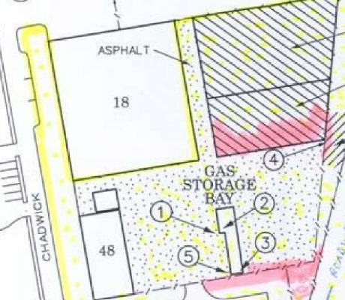
Areas were derived from Google Earth
 |  |  |  |  |  |  |  |  |  | B18
Assumptions: |  |  | 35.3147 | ft^3 per m^3
Removal depth = | 1 | m
Percent Clean | 50.00%
Project Duration | 90 | days
Clean Volume = | 3450 | m^3 | 121,836 | ft^3
Contaminated Volume = | 3450 | m^3 | 121,836 | ft^3
Contaminated removal adjustment |  | -50.00% | Judgement due to complexity of the facility
Length of asbestos insulated pipe |  | 0 | ft. (estimated)
One crew is based 12 laborers, if sufficient leave at 1. |  | 1 | for all removal |  | 12 | LABORERS

Building B54 | B1 | Lab/Rad

Total area = | 1204 | m^2 | 12,959.75 | sqft
Project Duration | 180 | work days (per PT&C report) |  | 36 | weeks | 252 | total days
Contaminated removal adjustment |  | 50.00% | Due to complexity of the facility
Length of asbestos insulated pipe |  | 2000 | ft. (estimated) | 609.6 | meters
Assume two crews; therefor apply a multiplier of |  | 2 | for all removal | Based on 30.7 FTEs per PT&C report |  |  | 24 | LABORERS
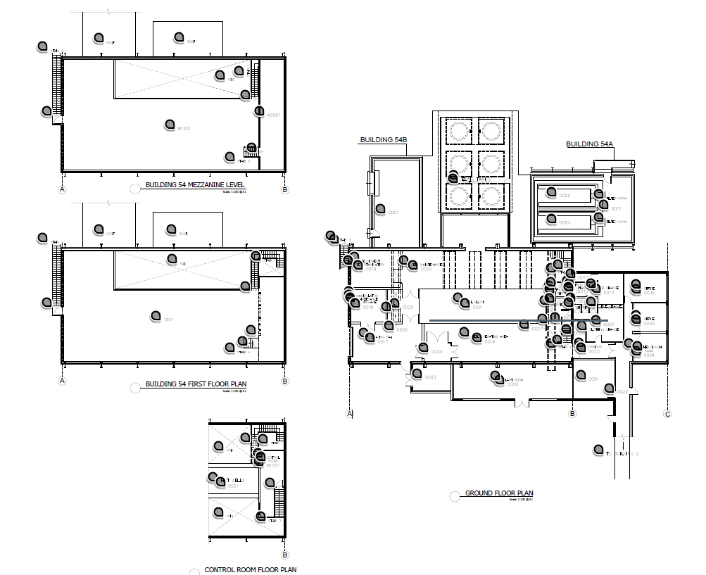

Building B56 | B1 | Non-Indust/Rad

Total area = | 1557 | m^2 | 16,759.42 | sqft
Project Duration | 75 | work days (per PT&C report) |  | 15 | weeks | 105 | total days
Contaminated removal adjustment |  | 50.00% | Simpler building to remove
Length of asbestos insulated pipe |  | 0 | ft. (estimated) | 0
Assume a crew of 9; therefor apply a multiplier of |  | 2 | for all removal | Based on 8.6 FTEs per PT&C report |  |  | 24 | LABORERS
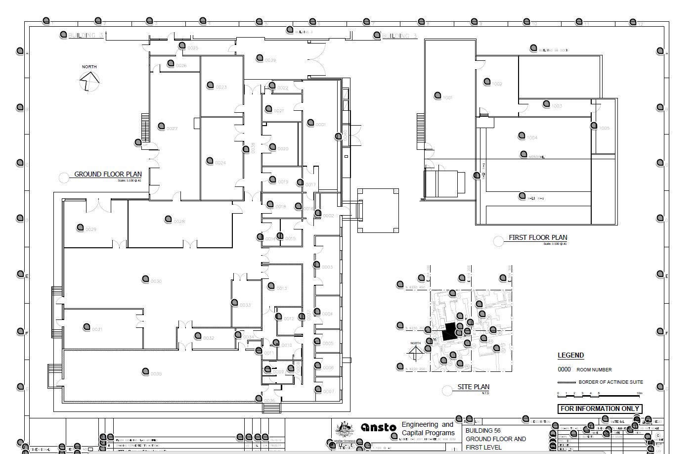

Building B70 | D2 | Non-Indust/Non-Rad

Total area = | 152.2139 | m^2 | 1,638.42 | sqft | 24670 | mm = | 24.67 | m | X | 6170 | mm = | 6.17
Project Duration | 60 | Estimated |  | 12 | weeks | 84 | total days
Contaminated removal adjustment |  | -50.00% | Simpler building to remove
Length of asbestos insulated pipe |  | 1000 | ft. (estimated) | 304.8
Assume a crew of 9; therefor apply a multiplier of |  | 0.75 | for all removal | Estimated |  | 9 | LABORERS

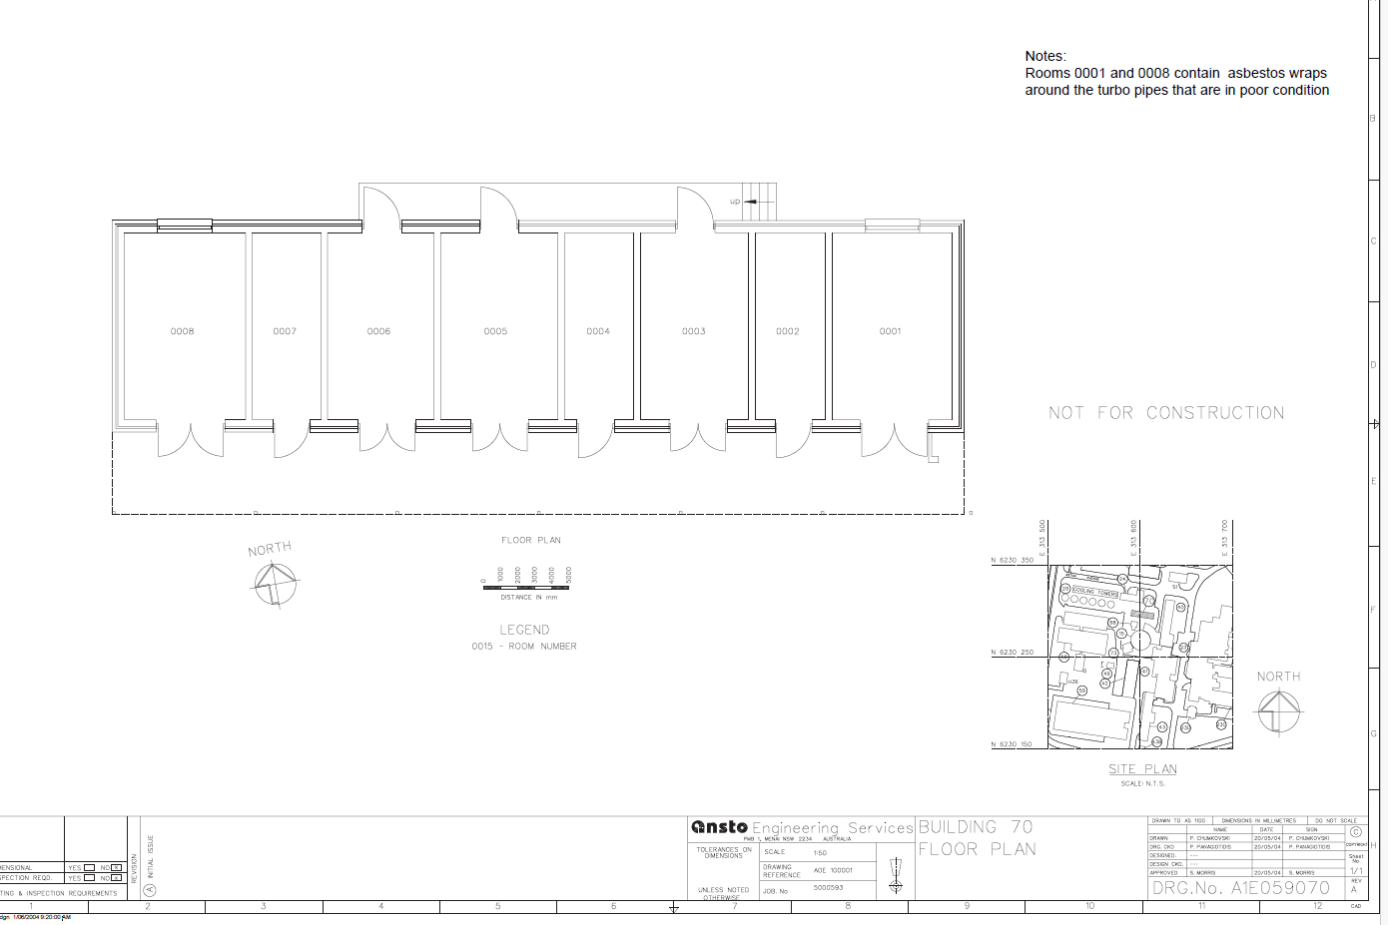

Building Blank | B1 | Non-Indust/Rad

Total area = | 1557 | m^2 | 16,759.42 | sqft
Project Duration | 75 | work days (per PT&C report) |  | 15 | weeks | 105 | total days
Contaminated removal adjustment |  | 50.00% | Simpler building to remove
Length of asbestos insulated pipe |  | 0 | ft. (estimated) | 0
Assume a crew of 9; therefor apply a multiplier of |  | 2 | for all removal | Based on 8.6 FTEs per PT&C report |  |  | 24 | LABORERS

